Sheet1
Insertion Sort
Array of Elements | 17 | 16 | 15 | 13 | 12 | 11 | 10 | 9 | 8 | 7 | 6
INDEX | 0 | 1 | 2 | 3 | 4 | 5 | 6 | 7 | 8 | 9 | 10

First pass of outer loop

Start i=1 |  | i
j=i |  | j
Compare j element with j-1 element and swap | 16 | 17 | 15
 |  | i
j=j-1. Now j is not >0, so exit inner loop | j

Second pass of outer loop

increment i=i+1 |  |  | i
j=i |  |  | j
Compare j element with j-1 element and swap | 16 | 15 | 17
 |  |  | i
j=j-1. Now j is >0, so continue inner loop |  | j
Compare j element with j-1 element and swap | 15 | 16 | 17
 |  |  | i
j=j-1. Now j is not >0, so exit inner loop | j

Shell Sort (h=4)
Array of Elements | 17 | 16 | 15 | 13 | 12 | 11 | 10 | 9 | 8 | 7 | 6
INDEX | 0 | 1 | 2 | 3 | 4 | 5 | 6 | 7 | 8 | 9 | 10

First pass of outer loop

Start i=h |  |  |  |  | i
j=i |  |  |  |  | j
Compare j with j-h and Swap Elements | 12 |  |  |  | 17 |  |  |  | 8
 |  |  |  |  | i
j=j-h. Now J is not >0, so exit inner loop | j
 |  |  |  |  |  |  |  |  | i

Second pass of outer loop
increment i=i+h |  |  |  |  |  |  |  |  | i
j=i |  |  |  |  |  |  |  |  | j
Compare j with j-h and Swap Elements | 12 |  |  |  | 8 |  |  |  | 17
 |  |  |  |  |  |  |  |  | i
j=j-h. Now J is still >0, continue inner loop |  |  |  |  | j
Compare j with j-h and Swap Elements | 8 |  |  |  | 12 |  |  |  | 17
 |  |  |  |  |  |  |  |  | i
j=j-h. Now J is not >0, so exit inner loop | j

 | How to calculate Time Complexity?
 | Two ways - Back substitution and Master's theorem
 | Master's theorem is for a specific type of syntax as explained in Merge Sort.

 | Back Substitution | T(n) | = | n + T(n-1) | , when n > 1
 | https://www.youtube.com/watch?v=gCsfk2ei2R8 | T(1) | = | 1 | , when n=1 (for exit condition. Exit condition always takes constant time)

 |  | T(n) | = | n + T(n-1) | you need value of T(n-1) to evaluate this function
 |  | T(n-1) | = | (n-1) + T(n-2)
 |  | T(n-2) | = | (n-2) + T(n-3)
 |  | and so on

 |  | T(n) | = | n + (n-1) + T(n-2) | substituting T(n-1)
 |  |  |  | n + (n-1) + (n-2) + T(n-3) | substituting T(n-2)
 |  |  |  | n + (n-1) + (n-2) + ….. + (n-k) + T(n-(k+1))

 |  |  |  | At some point this evaluation has to end when T(1) comes
 |  |  |  | n-(k+1) = 1 | Replacing T(n-(k+1)) to T(1)
 |  |  |  | k = n-2

 |  | T(n) | = | n + (n-1) + (n-2) + ….. + (n-(n-2)) + T(1)
 |  |  | = | n + (n-1) + (n-2) + ….. + 2 + 1
 |  |  | = | n(n+1) / 2
 |  |  | = | O(n^2)

 | Merge Sort execution time analysis

 |  |  |  |  |  |  | Total input array elements
Space required by subarrays. Not all subarrays are created together. First all left side tree's subarrays will be created, they will be merged and then right side subarrays will be created. When arrays are merged, after merging they are garbage collected. |  |  | create L array execution time |  |  |  | n |  |  |  | create R array execution time |  |  |  |  | Total execution time
n |  |  | n/2(divide) |  |  |  |  |  |  |  | n/2(divide) |  |  |  | n(concur) | 2n
n/2 |  | n/4 (divide) |  |  | n/4(divide) | n/2 (concur) |  |  | n/4 (divide) |  |  |  | n/4 (divide) | n/2 (concur) |  | 2n
n/4
 | n/8 (divide) | n/8 (divide) | n/4 (concur) | n/8 (divide) | n/8 (divide) | n/4 (concur) |  | n/8 (divide) | n/8 (divide) | n/4 (concur) |  | n/8 (divide) | n/8 (divide) | n/4 (concur) |  | 2n

 | Time Complexity = 2n+2n+2n+……+2n. If there are K levels in above tree then K2n. Assume n=2^K. So, K=log n with base 2. So, time complexity=K2n=2n(log n) = n(log n)
 | Another way of thinking is : depth of tree is (log n + 1), so total execution time taken by merge sort is 2n*(log n + 1) = O(n log n)

Total Space complexity using
 | Recursive Tree Approach
 | Stack used by recursive call of divide method is same as depth of tree (log n + 1)
 | Space required by subarrays is n+n/2+n/4+…. = O(n). It does not create n(log n + 1) sub arrays all together. It creates subarrays for for left side and starts concuring those subarrays before it moves to right side.
 | Total space required is O(n)+(log n + 1) = O(n)

 | Master's Theorem Formula | http://cse.unl.edu/~choueiry/S06-235/files/MasterTheorem.pdf
 |  | T(n) = aT(n/b) + O(n^d) ; where a>=1, b>=2, d>=0
 |  | T(1) = C ; exit condition taking some constant time

 |  | T(n)=O(n^d) |  | if a < b^d
 |  | T(n)=O(n^d log n) |  | if a = b^d --- matches for merge sort
 |  | T(n)=O(n^ (log a) ) |  | if a > b^d

 | In case of Merge Sort | divide(n) = O(n) to create L and R arrays + 2divide(n/2) + time taken by concur O(n)

 |  | divide(n)=O(n)+2divide(n/2)+O(n)

 |  | From master's theorem, we can say time taken by merge sort is O(n)+ O(n logn) = O(n logn)

 | Back Substitution
 |  | In Merge Sort,
 |  | T(n) = 2n + 2T(n/2)
 |  | T(n/2) = 2(n/2) + 2T(n/4)

 |  | T(n/3) = 2(n/3) + 2T(n/6)
 |  | T(n/4) = 2(n/4) + 2T(n/8)

 |  | T(n) = 2n + 2T(n/2)

 |  | To substitute T(n/2^K) to T(1)
 |  | n/2^K = 1
 |  | n = 2^K
 |  | K = log n with base 2

 |  | T(n) = 2nlog n + n = O(n log n)

 | consider MS as divide function call and M as concur function call in below picture
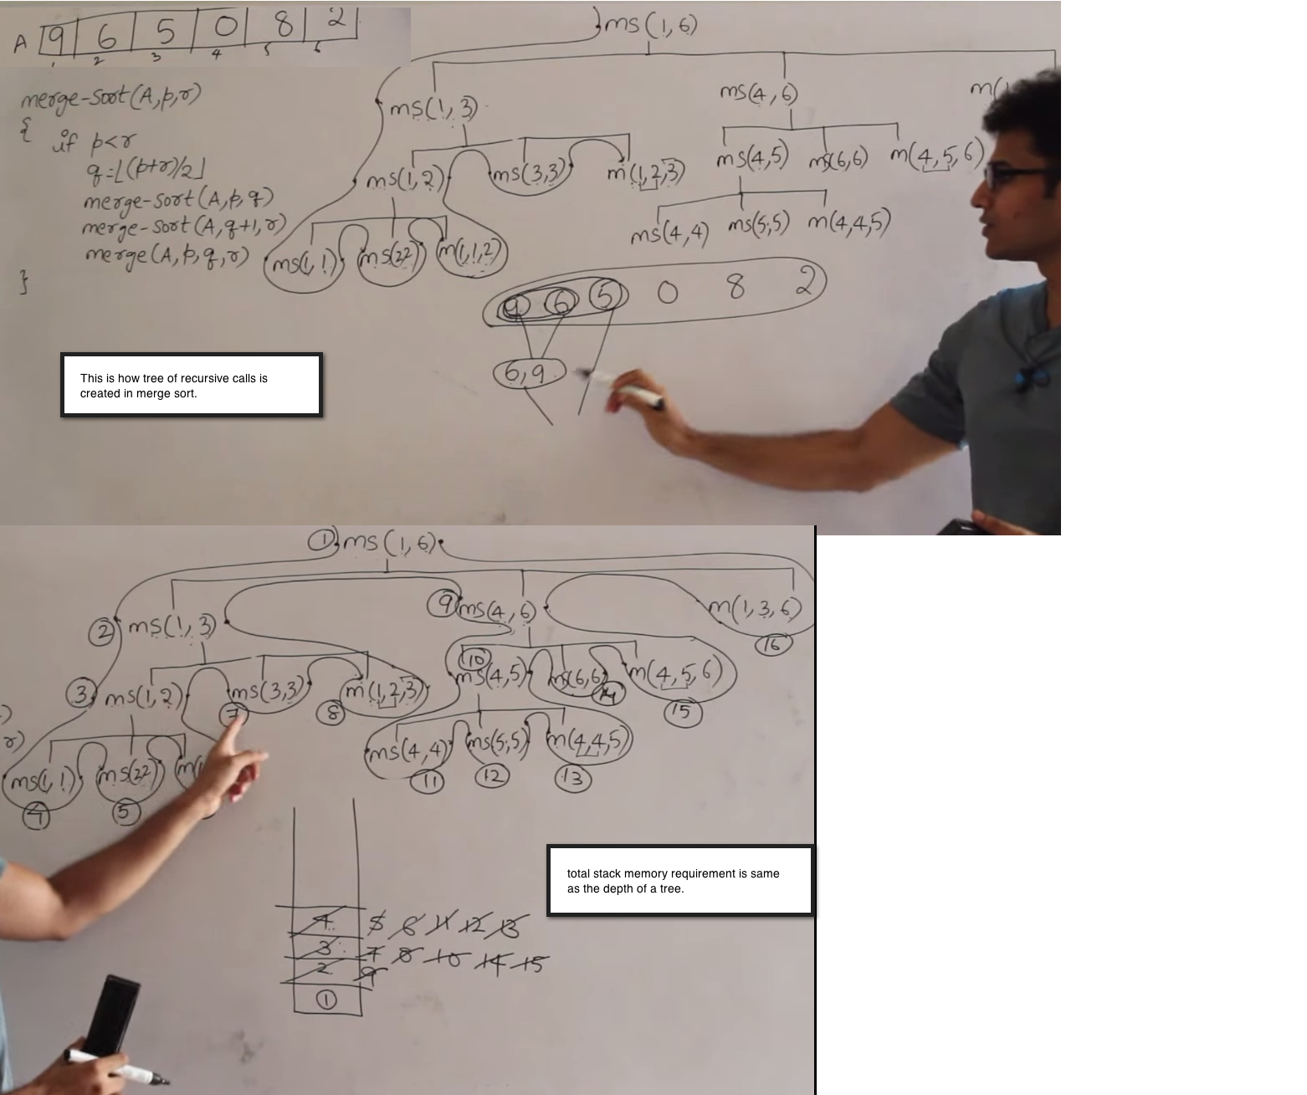

 | Quick Sort's sort method calls partition method
 | partition method logic
 |  |  | 0 | 1 | 2 | 3 | 4 | 5 | 6 | 7 | size of array is 8
 | original array (A) |  | 7 | 2 | 1 | 6 | 8 | 5 | 3 | 4
 | A[i]<=A[pivot]=no so just increment i |  | pIndex, i |  |  |  |  |  |  | pivot | consider last element of an array as a Pivot
 | A[i]<=A[pivot]=yes so swap A[i] and A[pIndex] increment i increment pIndex |  | pindex | i
 | A[i]<=A[pivot]=yes so swap A[i] and A[pIndex] increment i increment pIndex |  |  | pIndex | i
 | A[i]<=A[pivot]=no so just increment i |  |  |  | pIndex | i
 | A[i]<=A[pivot]=no so just increment i |  |  |  | pIndex |  | i
 | A[i]<=A[pivot]=yes so swap A[i] and A[pIndex] increment i increment pIndex |  |  |  | pIndex |  |  | i
 | now i==n-1, so stop incrementing i and swap A[pivot] and A[pIndex] |  |  |  |  | pIndex |  |  | i
 | return pIndex (3) as a next Pivot from partition method |  |  |  |  | 4 |  |  |  | 1 | re-arranged original array with final place of pivot

 | two partitions are created from index start to pIndex-1 and pIndex+1 to end. See we are not inclucing pIndex in the partitions.
 | Call sort method on these two paritions.

 | Time and Space Complexity Analysis:
 | Quick Sort time complexity determination will be same as Merge Sort.
 | In Merge Sort’s time complexity tree structure, just replace divide, divide, concur to partition, sort, sort in each level of the tree.
 | Partition method does n swaps (for loop of n-1 that does swap and one more swap). It does comparisons in the same for loop. Time taken by variable assignments are negligible So, time complexity of partition method is O(n).
 | Tree depth will be log n +1 just like merge sort. So, total time taken by partition method is O(n)*(log n + 1) = O(n log n).

 | Sort method calls are just recursive method calls which doesn't take much time, but they will use stack memory for recursive calls, which will be same as merge sort (depth of tree)=log n + 1 = O(log n)

 | Worst case time complexity:
 | If array is already sorted and if we continue to select last element as a pivot, then tree structure will be totally unbalanced. It will keep creating only left partitions and tree depth will be n, which will increase time complexity to O(n^2).

 | Binary Tree PostOorder traversal

 |  |  |  |  |  |  |  |  |  |  |  |  |  |  | 4
 |  |  |  |  |  |  |  |  |  |  |  |  | 1 |  |  |  | 6
 |  |  |  |  |  |  |  |  |  |  |  | 0 |  | 2 |  | 5 |  | 7

 |  |  |  |  |  |  |  |  |  |  |  |  |  |  | POT(4) |  | Recursive function(PostOrderTraversal(Node node))

 |  |  |  |  |  |  |  |  |  | treeNode=4 |  |  | POT(1) |  | POT(6) |  | visit(4)

 |  |  |  |  |  |  |  | treeNode=1 |  | POT(0) |  | POT(2) | visit(1) | treeNode=6 | POT(5) |  |  | POT(7) | visit(4)

 |  |  |  |  |  |  |  | treeNode=0 | POT(null) | POT(null) | visit(0) | POT(null) | POT(null) | visit(2) | POT(null) | POT(null) | visit(5) | POT(null) | POT(null) | visit(7)

 |  |  |  |  |  |  |  |  | public void postOrderTraversal(TreeNode treeNode) { if (treeNode == null) return; // exit condition 1 // exit condition 2,3... // If you put any one or more exit condition here, then it will stop traversing a child tree (left and right) further. it will set the returned value to parent recursive call. // In this case it is possible that one of the left or right child tree traversal result can be null. you need to consider that scenario. e.g. FindLowestCommonAncestorInBinaryTree.java postOrderTraversal(treeNode.left); // go left --- not same as "treeNode = treeNode.left; postOrderTraversal(treeNode)" postOrderTraversal(treeNode.right); // go right --- not same as "treeNode = treeNode.right; postOrderTraversal(treeNode)" visitTreeNode(treeNode); // visit current node }

 | FindLowestCommonAncestorInBinaryTree.java
 |  |  |  |  |  |  |  |  | 5
 |  |  |  |  |  |  | 3 |  |  |  | 9
 |  |  |  |  |  | 2 |  | 4 |  | 8 |  | 10

 |  |  |  |  |  |  |  |  |  |  | findLCA (root=5,node1=3 ,node2=2)
 |  |  |  |  |  |  | root=5 | if(5==3 or 5==2) return 5 | left= findLCA (3, 3 ,2) |  |  |  | right= findLCA (9, 3 ,2) |  | if(left and right found) return root=5 else return left or right
 |  |  |  |  |  | root=3 | if(3==3 or 3==2) return 3 | left= findLCA (2, 3 ,2) |  | right= findLCA (4, 3 ,2) | if(left and right found) return root=3 else return left or right |  | …

 |  |  |  |  |  |  | Further sub-tree traversal willl be stopped here 3 will be returned to parent findLCA(3,3,2) call
 |  |  |  |  |  |  | You are trying to find 3 and 2, but 2 will never be found because you are cutting the sub-tree traversal in between.
 |  |  |  |  |  |  | It means that if you cut the traversal in between then either left or right can be null even they actually exist in the tree.
 |  |  |  |  |  |  | You have to consider this scenario of if left!=null?return left : return right

 |  |  |  |  |  |  | If you are searching for LCA of 2 and 4, then both left and right will be not null. So return root as their LCA

 | SortingLinkedList.java | sample linked list | 7 | 5 | 2 | 3 | 1

 |  |  | divide function

 |  |  | 7 | 5 | 2 | 3 | 1 | null
 |  |  | a | b
 |  | HO=headOriginal | HO

 |  |  | a | HO |  | b

 |  |  | a |  | HO |  |  | b

 |  |  | Now b==null, so b=HO.next

 |  |  | a |  |  | b

 |  |  | and HO.next=null

 |  |  | So HO.next=null created two lists
 |  |  | a-> | 7 | 5 | 2
 |  |  | b-> | 3 | 1

 |  |  | a pointing to 7 and b pointing to 1

 |  |  | concur function

 |  |  | by the time first to lists comes to concur function, they are already in sorted form internally

 |  |  | 2 | 5 | 7 |  |  | 1 | 3
 |  |  | a |  |  |  |  | b

 |  |  | headNode = new Node()
 |  |  | c = headNode

 |  |  | while loop's iteration
 |  |  | 1st | 2 | 5 | 7 |  |  | 1 | 3
 |  |  |  | a |  |  |  |  | b

 |  |  |  | b<a, so
 |  |  |  | c.next = b (1) // this will set headNode's next because at this point c points to headNode. It starts a new list (resultList).
 |  |  |  | c = b (1)
 |  |  |  | b = b.next (3)

 |  |  |  | 2 | 5 | 7 |  |  | 1 | 3
 |  |  |  | a |  |  |  |  | c | b

 |  |  | 2nd | a < b, so
 |  |  |  | c.next = a (2)
 |  |  |  | c = a (2)
 |  |  |  | a = a.next

 |  |  |  | Resulting list
 |  |  |  | (head.next) 1 | 2

 |  |  |  | 2 | 5 | 7 |  |  | 1 | 3
 |  |  |  | c | a |  |  |  |  | b

 |  |  | 3rd | b < a

 |  |  |  | Resulting list
 |  |  |  | (head.next) 1 | 2 | 3

 |  |  |  | 2 | 5 | 7 |  |  | 1 | 3 | null
 |  |  |  |  | a |  |  |  |  | c | b

 |  |  | 4th | while loop ends and remaining a list is appended to resulting list c.next = (a == null) ? b : a;
 |  |  |  | Resulting list
 |  |  |  | (head.next) 1 | 2 | 3 | 5 | 7

 |  |  | Time Complexity is same as merge sort of array : 2n*(log n + 1) = O(n log n)

 |  |  | Stack used by recursive call of divide method is same as depth of tree (log n + 1)
 |  |  | Unlike to merge sort of array, it doesn't create sub arrays/sub linkedlists. So, some constant can be assigned to additional variables creation.
 |  |  | Total space required is (log n + 1) + some constant = O(log n)

